Sheet1
 | NOTES | ID | optimiser | loss | lr | wd | epochs | n_Gaus | RSS | logprob | epochs vs loss | residuals plot |  | means | preds image | features | in to h1 | h1_activ. | h1 to h2 | h2_activ. | h2 to h3 | h3_activ. | h3 to h4 | h4_activ. | h4 to h5 | h5_activ. | h5 to h6 | h6_activ. | h6 to h7 | h7_activ. | h7 to h8 | h8_activ. | h8 to h9 | h9_activ. | h9 to h10 | h10_activ. | h10 to h11 | h11_activ. | h11 to h12
 | sampler/generator |  |  |  |  |  |  |  | 0.0733 | -5.1896E+07 |  | 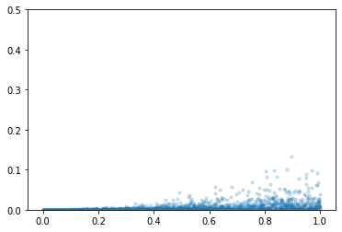 |  |  | 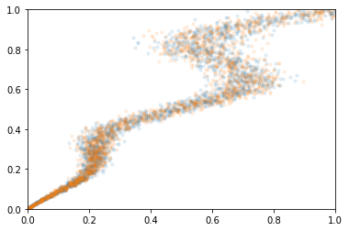
layer1.0.weight Parameter containing: tensor([[-0.5640], [ 0.3474], [ 0.7029], [-2.0384], [ 0.9046]], dtype=torch.float64, requires_grad=True) layer1.0.bias Parameter containing: tensor([ 0.2808, 0.2781, -0.5072, 0.7406, -0.9111], dtype=torch.float64, requires_grad=True) layer1.2.weight Parameter containing: tensor([[ 0.4573, -0.2785, -0.4519, -0.5569, -0.6592], [-0.1012, 0.1338, -0.1437, -0.0224, 0.3428], [-2.2433, -0.0942, 1.5930, -1.9809, 1.1359], [ 0.6424, -0.4693, -0.5779, -0.0834, 0.1314], [-0.2077, 0.5802, 0.4090, -1.0919, -0.0207]], dtype=torch.float64, requires_grad=True) layer1.2.bias Parameter containing: tensor([-0.3917, 0.0526, -0.1810, 0.2537, 0.5130], dtype=torch.float64, requires_grad=True) layer1.4.weight Parameter containing: tensor([[-4.7345e-01, -5.5330e-02, -9.4633e-01, 1.7052e-02, -7.8690e-01], [-9.0811e-01, -8.2481e-04, -2.6177e-01, -2.1006e-01, 8.2134e-02], [-1.1387e+00, -8.7578e-03, -1.8723e-01, -4.1562e-01, 2.5505e-01], [ 1.4745e+00, -1.1155e-01, 5.0344e-01, 2.3220e-01, 2.7025e-01], [-5.2011e-01, -1.3637e-01, -1.4898e-01, 2.7355e-01, -6.0084e-01]], dtype=torch.float64, requires_grad=True) layer1.4.bias Parameter containing: tensor([-0.1264, 0.1474, -0.2287, -0.4318, -0.1598], dtype=torch.float64, requires_grad=True) layer1.6.weight Parameter containing: tensor([[-0.4466, 0.5048, 0.7110, -0.2606, -0.1396]], dtype=torch.float64, requires_grad=True) layer1.6.bias Parameter containing: tensor([0.2140], dtype=torch.float64, requires_grad=True) | one | 11 | Adam | MSE | 1.0E-04 | 0 | 300 |  | 0.10665 | -2.7888E+11 | 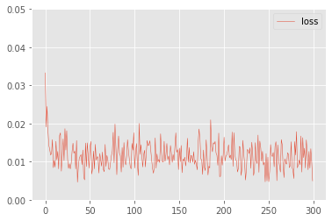 | 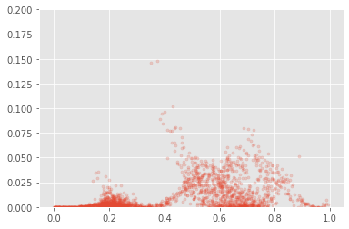 |  |  | 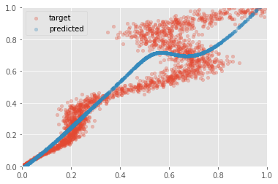 | input 1 | 1 linear 5 | Tanh | 5 linear 5 | Tanh | 5 linear 5 | Tanh | 5 linear 1 | 1 output
layer1.0.weight Parameter containing: tensor([[-0.8956], [-0.5598], [-0.7534], [-1.3150], [ 0.8864], [-0.9688], [ 0.3526], [ 0.4363], [-0.1210], [ 0.9747]], dtype=torch.float64, requires_grad=True) layer1.0.bias Parameter containing: tensor([ 0.4307, 0.3536, 0.2877, 0.9165, -0.3231, 0.6158, -0.3943, -0.1999, 0.0640, -0.2173], dtype=torch.float64, requires_grad=True) layer1.2.weight Parameter containing: tensor([[ 2.2553e+00, 2.3876e-01, 1.5269e+00, 1.4467e+00, -1.9838e+00, 9.9953e-01, 1.3580e-01, -1.2178e+00, 5.0358e-01, -1.7008e+00], [-1.8557e-01, 2.1889e-01, -1.5784e-01, -4.9110e-01, 4.5039e-01, -3.0556e-01, 2.5221e-01, -4.6297e-02, 6.2001e-04, 4.4198e-01], [ 9.9950e-02, 9.4922e-02, -2.5018e-01, 2.7794e-01, 2.7770e-01, -9.4237e-02, 2.7487e-01, -1.2874e-02, 1.7712e-02, -1.1691e-01], [-4.9825e-01, -6.1388e-02, -2.3643e-01, -5.1482e-01, 8.1104e-02, -1.9183e-01, 2.2007e-01, 2.1256e-01, 1.8524e-01, 3.6920e-01], [-9.7195e-02, 1.3939e-01, -4.5621e-01, -4.6287e-01, 3.0972e-01, -4.4320e-01, -2.0007e-01, -1.8257e-01, 1.0080e-01, 1.0962e-01], [-1.1499e+00, -3.0238e-01, -8.9229e-01, -2.6823e+00, 6.1603e-01, -1.1716e+00, 3.3902e-01, 1.6473e-01, -7.9997e-02, 6.3733e-01], [-1.8206e-01, 2.7142e-01, -8.6216e-02, 1.3117e-01, 2.8153e-01, 2.7733e-01, 9.2259e-02, 2.4615e-01, -1.5618e-01, -6.4008e-02], [-1.1219e-01, -7.6944e-03, -3.6136e-01, -8.2952e-01, 1.0119e-01, -1.2703e-01, -8.1111e-02, 3.1003e-01, -1.2223e-01, 2.8091e-01], [ 8.2125e-02, 3.3538e-01, 4.4019e-01, 3.4715e-01, -4.9372e-01, 4.0531e-01, -1.7645e-01, -6.6721e-03, 1.7565e-01, -4.7528e-02], [-7.0408e-01, -3.2405e-01, -1.3892e-01, -3.8211e-01, 2.5851e-01, -3.7864e-01, -7.6929e-02, -1.9348e-01, -1.5 | one | 11 | Adam | MSE | 1.0E-04 | 0 | 300 |  | 0.105538 | -1.9725E+11 | 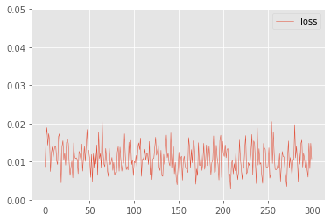 | 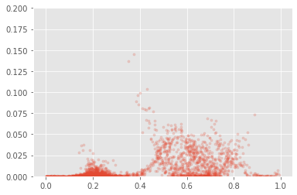 |  |  | 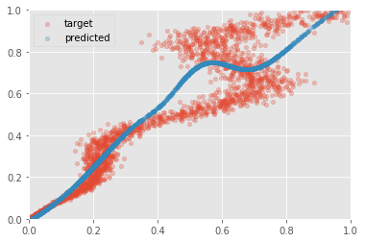 | input 1 | 1 linear 10 | Tanh | 10 linear 10 | Tanh | 10 linear 10 | Tanh | 10 linear 1 | 1 output
layer1.0.weight Parameter containing: tensor([[-0.3800], [ 0.6404], [-0.6021], [ 0.8706], [-1.0119], [ 0.0158], [-0.5492], [ 0.7960], [-0.1370], [ 0.9323], [ 0.0061], [-0.9722], [ 0.0081], [-0.2068], [-0.5086], [-1.1166], [-1.1025], [-0.5505], [ 0.6497], [ 0.1175]], dtype=torch.float64, requires_grad=True) layer1.0.bias Parameter containing: tensor([-0.2207, -0.2570, 0.0541, -0.5937, 0.6824, -0.0109, 0.1851, 0.2684, 0.0755, -0.0021, 0.0013, 0.1345, -0.0037, 0.1337, 0.2900, 0.7857, 0.7593, 0.2833, -0.4112, -0.0714], dtype=torch.float64, requires_grad=True) layer1.2.weight Parameter containing: tensor([[-1.2154e-01, 1.7927e-01, -6.1046e-02, -6.2204e-02, 1.9644e-01, 1.7669e-01, -2.9540e-02, -1.8431e-01, 1.4590e-01, -1.4399e-01, 2.9036e-03, -1.3641e-01, -4.6429e-02, -2.6067e-01, -2.1161e-01, 2.7787e-01, 1.7084e-01, -2.8201e-01, 3.0842e-02, -4.3215e-02], [ 1.4235e-01, 2.0685e-01, -5.3185e-02, 3.4329e-01, -3.7480e-01, -8.2987e-02, -2.5670e-01, -1.1948e-01, -2.5303e-02, 1.3944e-01, -7.7582e-02, -2.9624e-01, 7.1172e-02, 1.6403e-01, -2.8941e-01, -8.4796e-02, -4.2748e-01, 7.1076e-02, 3.7371e-01, -2.9871e-02], [-1.5167e-01, -3.1401e-02, -1.4461e-01, 1.2951e-01, -3.9482e-01, 2.1520e-01, -2.3159e-01, -8.5906e-02, 4.6852e-02, 2.9345e-01, 3.7010e-02, -2.3599e-01, -5.3002e-02, 4.3658e-02, -3.1602e-01, -1.5848e-01, -2.6214e-01, -2.4245e-01, 1.4925e-01, 1.0576e-01], [ 5.6729e-02, -2.9030e-01, -1.9783e-02, -8.8915e-02, 1.6287e-01, -6.8161e-02, 3.0321e-01, -1.1119e-01, -1.6497e-01, -2.6884e-01, -7.7467e-02, 2.9202e-01, 2.3038e-02, 1.7792e-01, 1.2531e-01, 1.3323e-01, 2.6112e-01, 1.8510e-01, -1. | one | 11 | Adam | MSE | 1.0E-04 | 0 | 300 |  | 0.105344 | -1.8494E+09 | 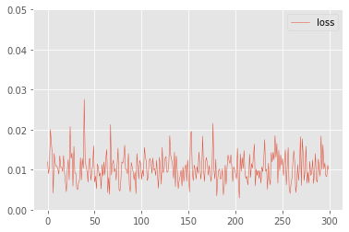 | 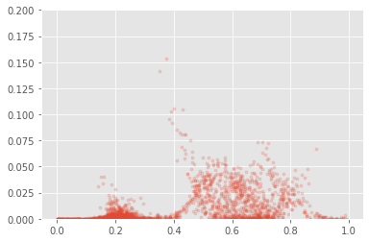 |  |  |  | input 1 | 1 linear 20 | Tanh | 20 linear 20 | Tanh | 20 linear 20 | Tanh | 20 linear 1 | 1 output
layer1.0.weight Parameter containing: tensor([[ 0.3868], [-0.4375], [ 0.4809], [-0.4143], [ 0.3860], [ 0.6679], [ 0.0344], [-0.5925], [ 0.4333], [ 0.0816]], dtype=torch.float64, requires_grad=True) layer1.0.bias Parameter containing: tensor([-0.2201, 0.1647, -0.2753, 0.1657, -0.2575, -0.0798, -0.0243, 0.3641, -0.2562, -0.2747], dtype=torch.float64, requires_grad=True) layer1.2.weight Parameter containing: tensor([[ 0.2063, -0.1696, 0.0702, 0.2213, 0.0739, 0.1995, -0.2597, 0.2188, -0.2791, 0.0742], [ 0.1812, 0.2663, -0.3546, 0.2759, -0.2744, -0.2906, 0.1052, 0.1892, -0.3635, -0.1852], [ 0.1006, -0.5064, 0.1071, -0.5556, -0.1379, 0.2497, -0.0067, -0.3546, 0.3018, -0.1409], [ 0.0534, 0.1821, -0.0593, -0.0533, -0.3126, -0.2618, -0.0395, 0.3541, -0.2989, -0.0847], [-0.0673, -0.4074, 0.1986, -0.1852, 0.1235, 0.4231, -0.1131, -0.3756, 0.2926, 0.0885], [ 0.0157, -0.4516, 0.2913, -0.3685, -0.0605, 0.0776, -0.0215, -0.5564, 0.2275, -0.0888], [ 0.3417, -0.3128, -0.0357, -0.3660, 0.0230, 0.3772, -0.0784, 0.0680, 0.0787, 0.0526], [ 0.0277, -0.6151, 0.0533, -0.4028, -0.0800, 0.2258, 0.0909, -0.0934, 0.4164, -0.0727], [-0.4807, 0.5360, 0.0815, 0.1659, -0.3103, -0.1702, 0.1053, 0.3150, -0.2141, 0.0672], [-0.1729, -0.4568, 0.0601, -0.0439, 0.3310, 0.4216, 0.2234, -0.3429, 0.3210, -0.0940]], dtype=torch.float64, requires_grad=True) layer1.2.bias Parameter containing: tensor([-0.0437, 0.0994, -0.2399, -0.0846, -0.1475, -0.1356, -0.1544, -0.1844, 0.1535, -0.1632], dtype=torch.float64, requires_grad=True) layer1.4.weight Parameter containing: tensor([[-1.0514e-02, 3.0032e-02, -5.8419e-01, -4.5526e-02, -3.0786e-02, -2.5703e-01, -1.41 | one | 11 | Adam | MSE | 1.0E-04 | 0 | 300 |  | 0.1057 | -8.9063E+10 | 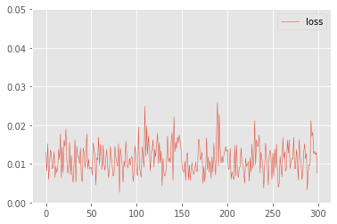 |  |  |  |  | input 1 | 1 linear 10 | Tanh | 10 linear 10 | Tanh | 10 linear 10 | Tanh | 10 linear 10 | Tanh | 10 linear 10 | Tanh | 10 linear 1 | 1 output
layer1.0.weight Parameter containing: tensor([[-1.3157e+00], [-1.2718e-03], [-2.0256e-01], [-1.0616e+00], [-8.7587e-01], [-6.7833e-01], [-6.1300e-01], [-2.1373e-01], [ 1.0923e+00], [ 2.3021e-03], [-6.9848e-01], [ 6.2388e-01], [-1.9601e-01], [-6.5964e-01], [-6.3716e-01], [-9.0947e-01], [ 2.5838e-01], [-8.9719e-01], [-5.5734e-01], [ 5.7806e-01], [ 8.0435e-01], [-1.0497e-01], [ 6.5054e-01], [ 1.4286e+00], [ 9.4469e-01]], dtype=torch.float64, requires_grad=True) layer1.0.bias Parameter containing: tensor([ 0.1050, 0.0010, 0.0086, 0.4122, 0.5902, 0.0428, 0.5105, 0.1029, -0.9862, -0.0024, -0.6230, -0.6003, 0.2850, 0.3270, 0.3879, 0.7571, 0.2497, 0.8344, 0.6295, -0.4289, -0.1719, 0.1242, 0.3825, 0.1035, -0.7091], dtype=torch.float64, requires_grad=True) layer1.2.weight Parameter containing: tensor([[-5.5413e-01, -1.7484e-01, -2.2763e-01, -6.2836e-01, -1.6114e-01, -2.3796e-01, -2.1096e-01, -3.4207e-01, 5.4103e-02, 8.8788e-02, -1.9422e-01, -1.7556e-02, -1.2803e-01, -3.4495e-01, 3.9836e-02, 8.4709e-03, 1.8903e-01, 2.7385e-02, -1.7546e-01, 1.7674e-01, 6.6336e-01, -7.8719e-02, 2.0840e-01, 3.8861e-01, 5.5310e-02], [ 8.0802e-03, -1.3812e-01, -8.6068e-02, -4.0406e-01, -2.0779e-01, -1.2124e-01, -2.2047e-02, 1.2685e-01, 1.0553e-01, -6.0170e-02, 1.3608e-01, -1.4222e-01, -3.2528e-03, -2.3232e-01, 7.5928e-02, -1.1446e-01, 1.4741e-01, -1.5793e-01, -7.2161e-02, -6.8574e-03, 4.0223e-01, 3.6474e-02, 2.3307e-02, 5.2319e-02, 2.3470e-01], [ 1.2515e-01, -1.2185e-01, 8.6412e-02, -1.4688e-01, -6.8142e-01, -1.5811e-01, -3.2287e-01, -6.5553e-02, 6.3394e-01, -9.8831e-02, 1.0728e-01, 2.3695e- | one | 11 | Adam | MSE | 1.0E-04 | 0 | 300 |  | 0.105316 | -1.8227E+11 | 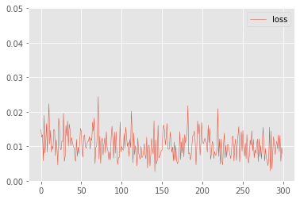 |  |  |  | 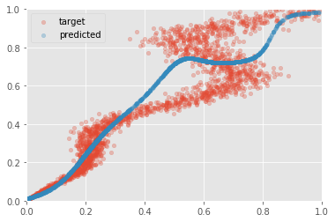 | input 1 | 1 linear 25 | Tanh | 10 linear 10 | Tanh | 10 linear 10 | Tanh | 10 linear 10 | Tanh | 10 linear 10 | Tanh | 10 linear 1 | 1 output
z_h.0.weight Parameter containing: tensor([[ 0.0946], [-2.9388], [-0.2112], [-0.7791], [-0.1435], [-2.5021], [ 0.5815], [-0.2917], [ 0.8451], [-1.4737], [ 0.3934], [ 0.7603], [ 1.8930], [-2.3871], [-0.3631]], dtype=torch.float64, requires_grad=True) z_h.0.bias Parameter containing: tensor([ 0.4914, 0.1620, -0.9211, -0.7771, -0.8277, 1.2159, -0.0285, -0.6303, -0.0487, 1.5480, 0.8781, -0.5441, -0.5906, 1.0729, -0.2161], dtype=torch.float64, requires_grad=True) z_pi.weight Parameter containing: tensor([[ 1.0108e+00, -1.4854e+00, -6.4104e-01, -1.0783e+00, -1.0078e+00, 6.8568e+00, 5.8435e-01, -5.9129e-01, 6.6749e-01, 1.7650e+00, 6.1708e-01, -9.5341e-01, -6.4445e+00, 6.4421e+00, -6.6775e-01], [ 1.5058e+00, 2.2666e+01, -5.3527e-01, -1.1849e-02, -1.7801e+00, 1.2924e+01, -4.2711e+00, -7.0356e-01, -7.6506e+00, 2.6734e+00, -1.1564e-01, -1.6936e+00, -1.4254e+01, 1.2709e+01, 9.4815e-01], [-1.9797e+00, 1.5294e+00, 1.8209e+00, 1.3979e+00, 1.5782e+00, -1.0466e+00, -1.5881e+00, 1.6526e+00, -1.4378e+00, -1.3077e+00, -1.5989e+00, 1.5518e+00, 1.3487e+00, -1.5201e+00, 1.3913e+00], [ 4.7409e-01, -4.6231e+00, -6.0559e-01, -5.0351e-01, -3.4817e-01, -2.8634e+00, 9.0087e-01, -5.5887e-01, 9.4800e-01, 1.4291e+00, 5.1651e-01, -1.3436e+00, 3.8762e+00, -4.0631e+00, -6.8399e-01], [-1.7677e+00, -4.7329e+00, 8.4859e-01, 1.0888e+00, 2.4682e+00, -1.3737e+01, 1.3613e+00, 1.2155e+00, 1.1476e+00, -6.4967e+00, -5.7174e-01, 4.4785e+00, 1.3500e+01, -1.4129e+01, -3.5972e-01]], dtype=torch.float64, requires_grad=True) z_pi.bias Parameter containing: tensor([ 0.5925, 1.1674, -1.4754, 0.6783, -1.2655], dtype=torch.float64, requires_grad=True) z_mu.weight Paramete | two | 38 | Adam | mod_MSE | 1.0E-03 | 0 | 500 | 4 | 0.144282 | -9.2925E+12 | 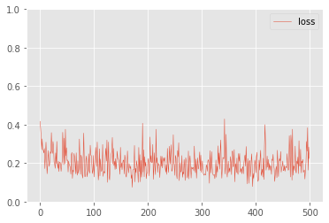 | 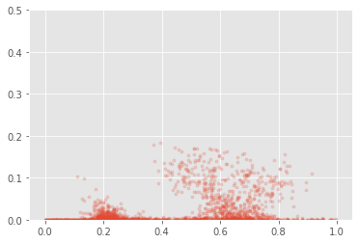 |  | 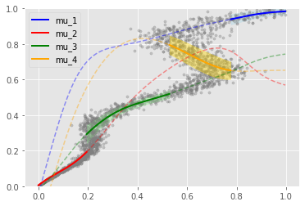 | 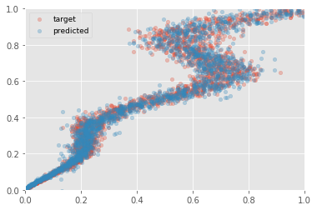 | input 1 | 1 linear 20 | Tanh | 20 linear 20 | Tanh | 20 linear 4 (π) 20 linear 4 (μ) 20 linear 4 (σ) | Softmax (π) 4 to 4 (μ) exp (σ) | π * N (μ, σ) 1 output
z_h.0.weight Parameter containing: tensor([[-0.7887], [ 1.3079], [ 0.9087], [-0.5719], [-0.7096], [-1.0065], [ 1.4329], [-0.9560], [ 0.0119], [ 0.7611], [ 0.0115], [-0.0075], [-0.5145], [-1.0725], [-1.2709], [ 0.8631], [-0.7391], [-0.0084], [-0.7185], [-0.1659]], dtype=torch.float64, requires_grad=True) z_h.0.bias Parameter containing: tensor([ 0.0755, -0.7669, -0.6727, 0.0893, 0.4265, -0.1754, -0.3350, -0.0880, -0.0015, -0.5415, 0.0048, -0.0037, 0.2116, -0.1169, -0.5349, -0.1192, 0.5773, -0.0035, -0.2428, 0.1423], dtype=torch.float64, requires_grad=True) z_h.2.weight Parameter containing: tensor([[-1.2092e+00, 3.1660e-01, 1.1989e-01, -1.1177e+00, 6.0933e-02, -6.1483e-01, 1.1088e+00, -4.9055e-01, 1.3527e-01, 2.4942e-01, 7.5002e-03, -2.4331e-02, -1.2582e-01, -5.9995e-01, -2.6566e-01, 1.4473e+00, -3.5201e-02, 2.3799e-02, -4.3210e-01, 6.4946e-02], [ 8.6704e-02, 5.3103e-03, 2.0371e-02, -1.1190e-01, -5.2986e-02, 6.0679e-02, -4.5260e-02, -6.5174e-02, -3.2387e-01, -8.3194e-04, 2.0061e-02, 1.5285e-01, -1.1297e-01, 1.1154e-01, 2.3757e-02, -4.7586e-02, 8.2850e-02, 9.0261e-02, -2.1610e-01, 5.7500e-02], [ 1.8853e-01, 2.5768e-01, -2.1780e-01, 1.7763e-01, 5.8198e-02, 2.3266e-02, 7.0000e-02, -2.3647e-01, 3.0259e-01, -1.2112e-01, 6.5058e-02, 6.2708e-02, 2.2227e-01, -1.6176e-01, -8.7899e-02, -1.6606e-01, -7.4169e-02, -9.2943e-02, -2.4912e-02, -8.1616e-02], [ 1.7079e-01, -2.6441e-01, -2.6207e-01, -9.5707e-02, 2.6097e-01, 1.7023e-03, -3.4445e-01, 7.3433e-02, 5.4418e-02, 3.6172e-02, -1.1494e-01, 5.0475e-02, 2.3099e-01, 1.3078e-01, -4.5722e-02, -3.4149e-02, 2.2827e-01, -5.4644e-02, -1.2458e-01, | two | 38 | Adam | mod_MSE | 1.0E-03 | 0 | 500 | 4 | 0.147525 | -2.7845E+11 | 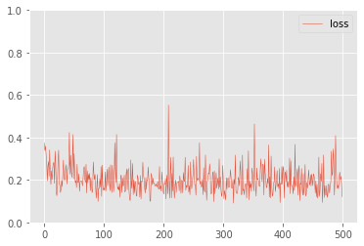 | 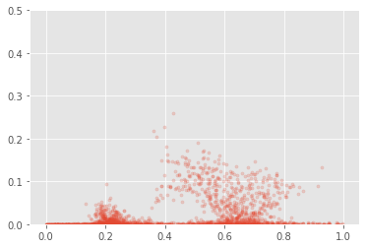 |  | 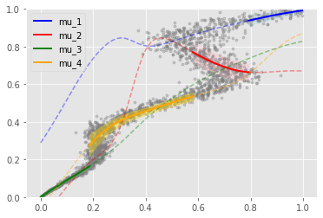 | 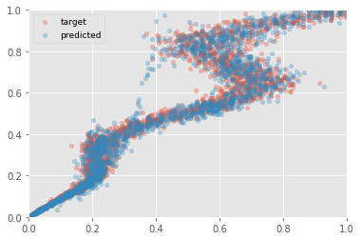 | input 1 | 1 linear 20 | Tanh | 20 linear 4 (π) 20 linear 4 (μ) 20 linear 4 (σ) | Softmax (π) 4 to 4 (μ) exp (σ) | π * N (μ, σ) 1 output
z_h.0.weight Parameter containing: tensor([[ 1.8343], [ 0.7688], [ 0.4981], [ 0.7681], [-1.4870], [-1.2984], [-1.5977], [-1.2397], [-0.7497], [-0.3533], [ 1.0181], [ 0.9794], [ 0.0019], [ 0.6801], [ 1.4708], [-1.6390], [-1.0630], [-1.0090], [-0.4800], [ 1.1880], [-0.9853], [-1.3756], [-1.3464], [-1.2497], [-1.1627]], dtype=torch.float64, requires_grad=True) z_h.0.bias Parameter containing: tensor([ 0.4302, 0.1704, -0.5897, -0.3708, -0.1231, -0.5064, 0.2407, 0.7143, 0.6197, 0.2877, 0.4029, -0.3512, 0.0041, 0.5019, 0.3815, -0.2598, 0.5621, 0.7355, 0.0808, -0.7159, 0.7014, -0.2707, 0.0078, -0.4017, -0.5514], dtype=torch.float64, requires_grad=True) z_h.2.weight Parameter containing: tensor([[-1.9987e-01, 1.5633e-01, 1.2920e-01, -9.7873e-02, -8.3373e-02, 7.8137e-02, -1.0333e-01, 1.9728e-02, -8.5596e-02, 1.0767e-01, 1.5955e-01, 2.0242e-01, -3.4749e-02, 9.5156e-02, 4.8331e-02, -1.1279e-01, 7.4092e-02, -7.7661e-02, -1.0552e-01, -5.5717e-02, -4.5519e-02, 1.9502e-01, 1.1641e-01, -7.4472e-02, 7.2612e-02], [ 2.8952e-04, 2.5390e-02, 6.3876e-02, -7.9476e-02, -2.7064e-01, -1.6089e-01, -3.5696e-01, -1.6364e-01, -8.5792e-02, 1.2614e-01, 4.6567e-02, 3.0114e-01, -4.0563e-02, -1.0244e-01, 2.7670e-02, 2.7089e-02, -1.8098e-01, 1.3081e-01, -5.9564e-02, 2.3793e-01, 3.6027e-02, -2.0481e-01, -4.2972e-01, -2.0599e-01, 1.3359e-01], [-2.4285e-01, -3.8491e-01, 2.2445e-01, 9.4042e-02, 1.3299e-02, 2.1141e-01, 9.4295e-02, -2.1961e-01, -3.1696e-01, -2.2936e-01, -8.2499e-02, 3.1069e-01, -5.2241e-02, -5.0636e-02, -1.4494e-01, 1.0962e-01, -2.9444e-01, -3.4467e-01, 5.3943e-02, 1.3 | two | 38 | Adam | mod_MSE | 1.0E-03 | 0 | 500 | 5 | 0.143468 | -1.7128E+12 | 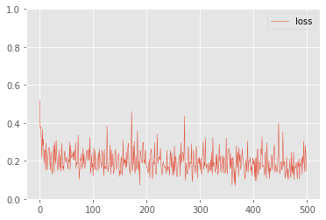 |  |  | 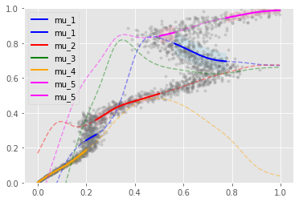 | 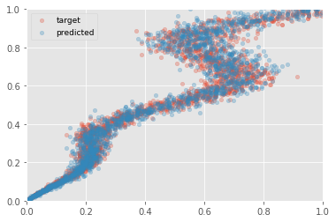 | input 1 | 1 linear 25 | Tanh | 25 linear 25 | Tanh | 25 linear 5 (π) 25 linear 5 (μ) 25 linear 5 (σ) | Softmax (π) 5 to 5 (μ) exp (σ) | π * N (μ, σ) 1 output
z_h.0.weight Parameter containing: tensor([[ 1.1694], [ 0.1143], [-0.0442], [ 1.2552], [-1.5030], [-0.1239], [-0.9733], [-0.6148], [-1.0780], [-0.5752], [-1.3525], [ 0.1078], [ 0.7105], [ 1.7587], [ 2.5700], [-0.7905], [ 0.2262], [-0.5657], [ 1.3523], [ 0.5027], [ 1.3828], [ 0.1700], [ 1.0486], [ 0.4967], [-1.7079]], dtype=torch.float64, requires_grad=True) z_h.0.bias Parameter containing: tensor([-0.7916, 0.5331, 0.6294, -0.9067, 0.3584, -0.5626, -0.7696, 0.0413, -1.0661, 0.3268, 0.8365, 0.8589, -0.5039, -0.3774, -0.9850, -0.7442, -0.3244, -1.1575, -0.8997, 0.0475, -0.3252, -0.4648, -0.2800, -0.6093, 1.1936], dtype=torch.float64, requires_grad=True) z_pi.weight Parameter containing: tensor([[-1.6215e+00, 4.6102e-01, 4.6384e-01, -1.6016e+00, -1.6680e+00, -3.4552e-01, -6.9234e-01, -7.2299e-01, -4.6614e-01, 5.9325e-01, 2.3703e+00, 2.6519e-01, -5.7767e-01, 1.8800e+00, 3.6371e+00, -4.9819e-01, -2.6787e-01, -5.8795e-01, -2.1740e+00, 7.0579e-01, 1.7262e+00, -2.5036e-01, 3.3724e-01, -5.2862e-01, 2.7041e+00], [-2.6965e+00, 6.0987e-01, 9.8878e-01, -2.8544e+00, 5.6236e+00, -6.8794e-01, -1.0246e+00, 3.7017e-01, -1.1403e+00, 2.0284e+00, 3.7548e+00, 1.0140e+00, -1.9112e+00, -3.7764e+00, -9.2839e+00, -8.0362e-01, -8.6317e-01, -8.2950e-01, -3.9325e+00, 5.4524e-01, -5.2057e+00, -7.1673e-01, -6.0059e+00, -1.2060e+00, 4.1733e+00], [ 1.4059e+01, -5.4790e-01, -8.6445e-01, 1.6905e+01, -3.5289e+00, 3.3523e-01, 6.0530e-01, -5.4599e-01, 1.1719e+00, -6.8427e+00, -1.0979e+01, -7.3336e-01, 9.1778e+00, 2.7836e+00, 2.9945e+00, 8.0827e-01, 1.1906e+00, 1.0292e+00, 1.2031e+01, 2.29 | two | 38 | Adam | mod_MSE | 1.0E-03 | 0 | 500 | 5 | 0.149071 | -1.1128E+13 | 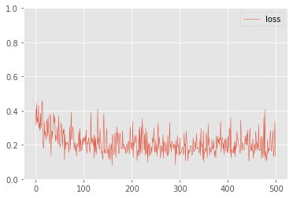 |  |  | 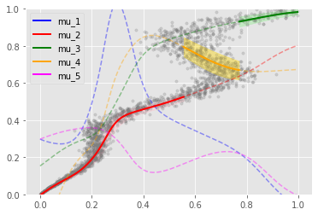 |  | input 1 | 1 linear 25 | Tanh | 25 linear 5 (π) 25 linear 5 (μ) 25 linear 5 (σ) | Softmax (π) 5 to 5 (μ) exp (σ) | π * N (μ, σ) 1 output
 | one_rot | 38 |  |  | 1.0E-03 | 0 | 1000 |  | 0.099102 | -1.7592E+12 | 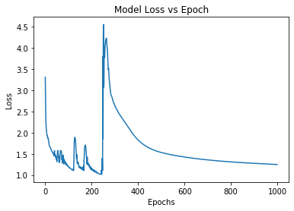 | 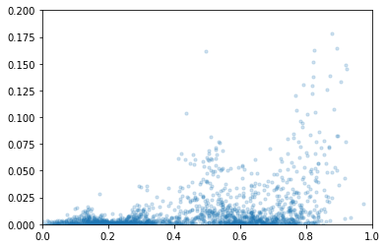 | 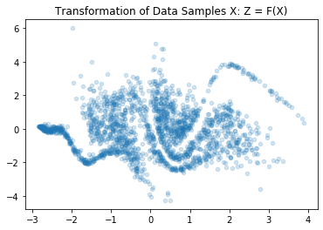 | 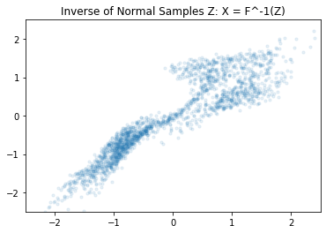 | 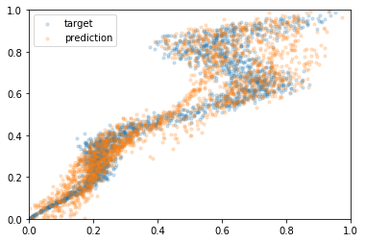 | input 1 | R_NVP | R_NVP | R_NVP | 1 output Z
 | one_rot | 38 |  |  | 1.0E-03 | 0 | 1000 |  | 0.11177 | -5.6061E+09 | 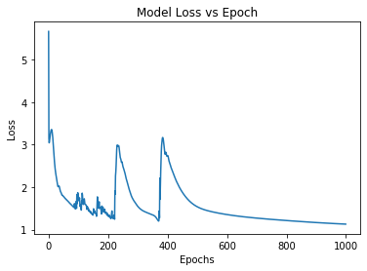 | 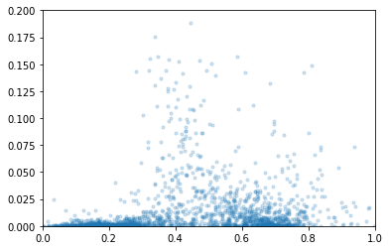 | 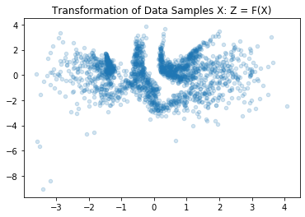 | 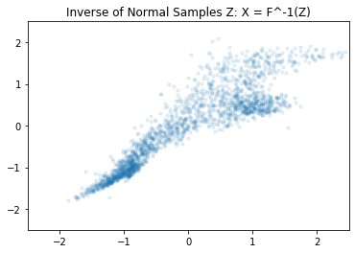 | 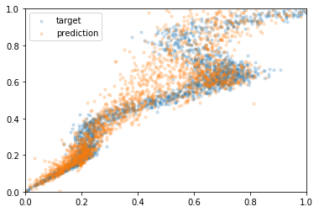 | input 1 | R_NVP | R_NVP | R_NVP | 1 output Z
 | reversed | 38 |  |  | 1.0E-03 | 0 | 1000 |  | 0.069207 | -7.3877E+11 | 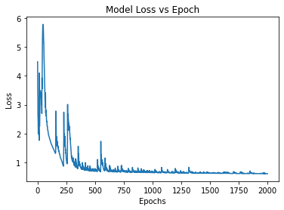 | 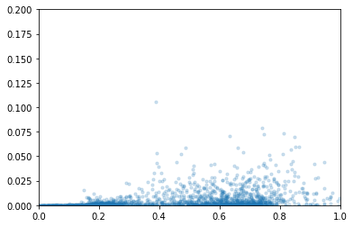 | 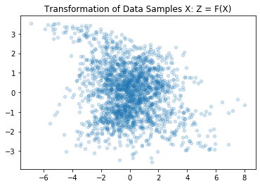 | 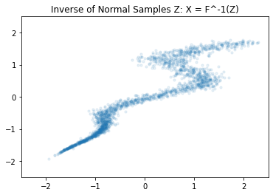 | 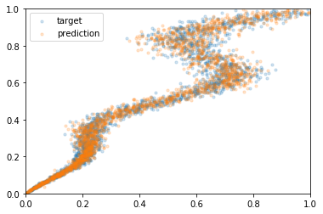 | input 1 | R_NVP | R_NVP | R_NVP | R_NVP | R_NVP | R_NVP | R_NVP | R_NVP | R_NVP | R_NVP | R_NVP | 1 output Z
 | reversed | 38 |  |  | 1.0E-03 | 0 | 2000 |  | 0.114522 | -1.6325E+16 | 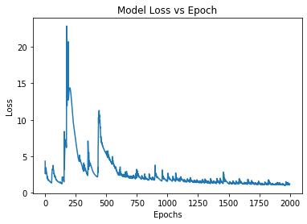 | 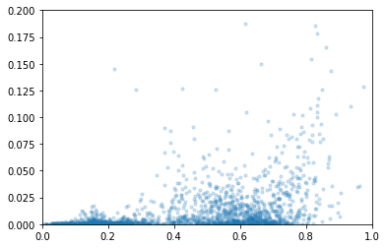 | 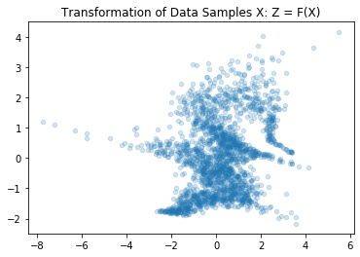 | 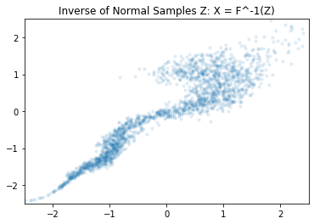 | 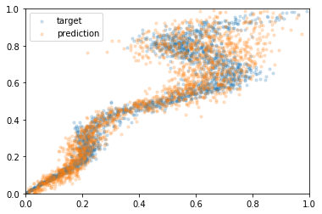 | input 1 | R_NVP | R_NVP | R_NVP | R_NVP | R_NVP | R_NVP | R_NVP | R_NVP | R_NVP | R_NVP | R_NVP | 1 output Z

